Model Stipulation
Model Formulation: 49.94P1+53.83P2+49.84P3+42.97P4+
 | 1 | 2 | 3 | 4
Beginning Inventory | 250 | 250 | 62 | 62
Units Produced | 414 | 352 | 616 | 274 | 0 | 0
Units Demanded | 414 | 540 | 616 | 305
Ending Inventory | 250 | 62 | 62 | 31

Maximum Production | 427 | 478 | 516 | 500

Minimum Inventory | 41 | 54 | 62 | 31

Average Inventory | 250 | 156 | 62 | 46

Unit Production Cost | $49.94 | $53.83 | $49.84 | $42.97

Monthly Production Cost | $20,675 | $18,927 | $30,701 | $11,769

 |  |  |  |  | Total Cost | $82,073

 | Quarters | Average of capacity | Average of production_cost | Average of demand | Safety stock
 | 1 | 427.00 | 49.94 | 414.00
 | 2 | 478.00 | 53.83 | 540.00
 | 3 | 516.00 | 49.84 | 616.00
 | 4 | 500.00 | 42.57 | 305.00
 | Grand Total | 480.25 | 49.05 | 468.75

 | Quarters | Average of capacity | Average of production_cost | Average of demand
 | 1 | 427.00041667 | 49.940833333 | 414 | 41.4
 | 2 | 477.99958333 | 53.830833333 | 540.00083333 | 54.000083333
 | 3 | 516.00083333 | 49.840416667 | 616.00041667 | 61.600041667 | `
 | 4 | 500 | 42.57 | 305 | 30.5
 | Grand Total | 480.25020833 | 49.045520833 | 468.7503125 | 46.87503125

Module 3
Model Formulation: 49.94P1+53.83P2+49.84P3+42.97P4+0.72(B1+B2)/2+0.78(B2+B3)/2+0.72(B3+B4)/2+0.62(B4+B5)/2
P1<=427
P2<=478
P3<=516
P4<=500
41<=B1+P1-414
54<=B2+P2-540
62<=B3+P3-616
31<=B4+P4-305
B2=B1+P1-414
B3=B2+P2-540
B4=B3+P3-616
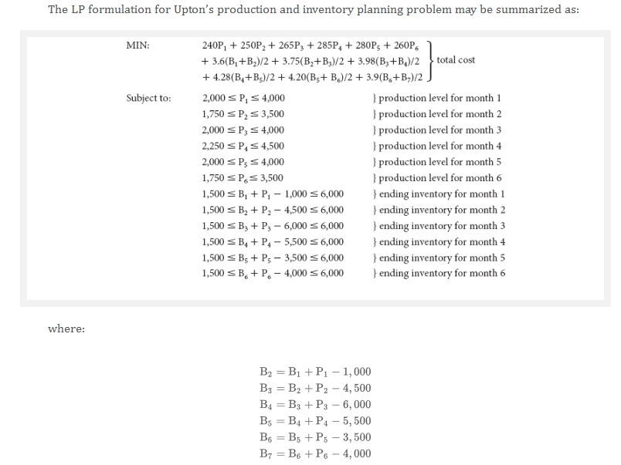
 |  | 1 | 2 | 3 | 4
Beginning Inventory |  | 250 | 250 | 162 | 62
Units Produced |  | 414 | 452 | 516 | 274 | 0 | 0
Units Demanded |  | 414 | 540 | 616 | 305
Ending Inventory |  | 250 | 162 | 62 | 31

Maximum Production |  | 427 | 478 | 516 | 500

Minimum Inventory |  | 41 | 54 | 62 | 31

Average Inventory |  | 250 | 206 | 112 | 46

Unit Production Cost |  | $49.94 | $53.83 | $49.84 | $42.97
Unit Carrying Cost | 1.4% | $0.72 | $0.78 | $0.72 | $0.62

Monthly Production Cost |  | $20,675 | $24,310 | $25,717 | $11,769
Monthly Carrying Cost |  | $180 | $160 | $80 | $28

 |  |  |  |  |  | Total Cost | $82,920

 |  | Quarters | Average of capacity | Average of production_cost | Average of demand | Safety stock
 |  | 1 | 427.00 | 49.94 | 414.00
 |  | 2 | 478.00 | 53.83 | 540.00
 |  | 3 | 516.00 | 49.84 | 616.00
 |  | 4 | 500.00 | 42.57 | 305.00
 |  | Grand Total | 480.25 | 49.05 | 468.75

 |  | Quarters | Average of capacity | Average of production_cost | Average of demand
 |  | 1 | 427.00041667 | 49.940833333 | 414 | 41.4
 |  | 2 | 477.99958333 | 53.830833333 | 540.00083333 | 54.000083333
 |  | 3 | 516.00083333 | 49.840416667 | 616.00041667 | 61.600041667 | `
 |  | 4 | 500 | 42.57 | 305 | 30.5
 |  | Grand Total | 480.25020833 | 49.045520833 | 468.7503125 | 46.87503125

